Assay Quick Start Guide
Quick Start Guide for QIAseq DNA QuantiMIZE Assay Kit
Always include QuantiMIZE Control gDNA in every run as described below, regardless of the number of gDNA Samples processed.
Each gDNA Sample is interrogated by 6 reactions: 3 (triplicate) reactions using Assay100 and 3 (triplicate) reactions using Assay200.

1. Prepare 2 PCR Components Mixes, Mix 1 using Primer Assay100 and Mix 2 for Primer Assay200. For a complete recipe, input the number of Samples to be analyzed into the "enter number" yellow Cell E7. Also prepare 1X PCR mastermix for any remaining wells without Sample gDNA.
Component | Volume (µL) | 1X mastermix, scale up as needed | Sample number (n)
RNase-/DNase-free water | enter number in yellow box | 48µl | enter number
QIAseq qPCR SYBR Green Mastermix | enter number in yellow box | 48µl
Primer Assay100 or Assay200 | enter number in yellow box | -
Total volume | enter number in yellow box | 96µl

2. Dispense 16 μL of PCR Components Mix 1 (Assay100) or Mix 2 (Assay200) into the appropriate Sample-specific (up to the number of Samples being processed) and Control white or gray wells, respectively, according to layout below:
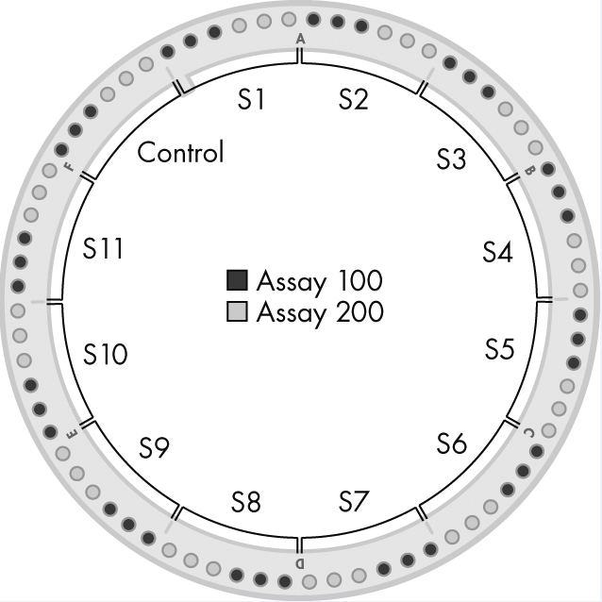

3. Dilute each Sample gDNA or Control gDNA separately with RNase-/DNase-free water according to the Table below.
Component | Volume
Genomic DNA (Control or Sample) | 4 μL
RNase-/DNase-free water | 28 μL
Total volume | 32 μL

4. Dispense 4 μL of each diluted Sample gDNA or Control gDNA into the appropriate tubes according to the Layout described in step 2 above. Sample 1 (S1) occupies tubes 1 through 3 for Assay100 (white cells) and tubes 4 through 6 for Assay200 (shaded cells). Sample 2 (S2) occupies tubes 7 through 9 and tubes 10 through 12, and so on up to the number of Samples being processed. The diluted Control gDNA MUST BE ADDED to tubes 67 through 69 for Assay100 and tubes 70 through 72 for Assay200. Finally, add 20 μL 1X PCR mastermix to any remaining empty tubes if less than 11 Samples are being tested.
5. Vortex the tubes and spin them down.
6. Run the following real-time PCR cycling program:

