Assay Quick Start Guide
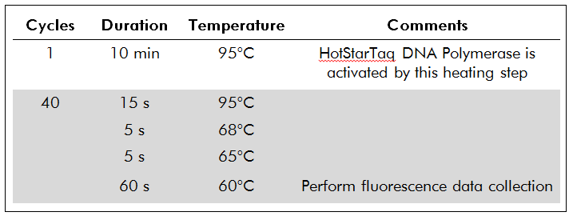
Quick Start Guide for QIAseq DNA QuantiMIZE Assay Kit
Always include QuantiMIZE Control gDNA in every run as described below, regardless of the number of gDNA Samples processed.
Each gDNA Sample is interrogated by 6 reactions: 3 (triplicate) reactions using Assay100 and 3 (triplicate) reactions using Assay200.

1. Prepare 2 PCR Components Mixes, Mix 1 using Primer Assay100 and Mix 2 for Primer Assay200. For a complete recipe, input the number of Samples to be analyzed into the yellow "enter number" Cell E7. Also prepare 1X PCR mastermix "For Wells 97-100" and for any remaining wells without Sample gDNA.
Component | Volume (µL) | For Wells 97-100, scale up as needed | Sample number (n)
RNase-/DNase-free water | enter number in yellow box | 48µl | enter number
QIAseq qPCR SYBR Green Mastermix | enter number in yellow box | 48µl
Primer Assay100 or Assay200 | enter number in yellow box | -
Total volume | enter number in yellow box | 96µl

2. Dispense 16 μL of PCR Components Mix 1 (Assay100) or Mix 2 (Assay200) into the appropriate Sample-specific (up to the number of Samples being processed) and Control white or gray wells, respectively, according to layout below:

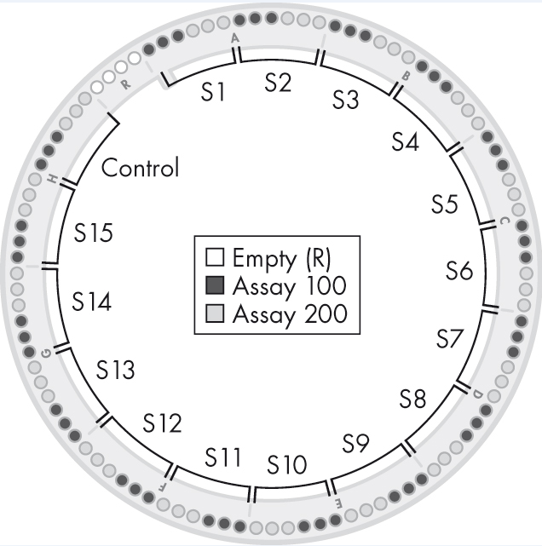

3. Dilute each Sample gDNA or Control gDNA separately with RNase-/DNase-free water according to the Table below.
Component | Volume
Genomic DNA (Control or Sample) | 4 μL
RNase-/DNase-free water | 28 μL
Total volume | 32 μL

4. Dispense 4 μL of each diluted Sample or Control gDNA into the appropriate wells according to the Layout described in step 2 above. Sample 1 (S1) occupies Wells 1 through 3 for Assay100 (white cells) and Wells 4 through 6 for Assay200 (shaded cells). Sample 2 (S2) occupies Wells 7 through 9 and Wells 10 through 12, and so on up to the number of Samples being processed. The diluted Control gDNA MUST BE ADDED to Wells 91 through 93 for Assay100 and Wells 94 through 96 for Assay200. Finally, add 20 μL 1X PCR mastermix to Wells 97 through 100 and to any remaining empty wells if less than 15 Samples are being tested.
5. Seal the disc with Rotor-Disc Heat-Sealing Film using the Rotor-Disc Heat Sealer. See Instrument Handbook for detailed instructions. Vortex the disc and spin it down.
6. Run the following real-time PCR cycling program:

Raw Data & Analysis Setup
Well | Raw Data | Average CT | Standard Deviation | Message | Sample | Sample ID | Sample Conc. (ng/µL)
1 | 23.33 | 23.35 | 0.040 |  | S1: | Thyroid Tumor | 36.0 | Please input sample concentrations for calculations! Use NanoDrop or other methods.
2 | 23.40 |  |  |  | S2: | Normal Thyroid | 23.0
3 | 23.33 |  |  |  | S3: | Melanoma 1 | 27.0
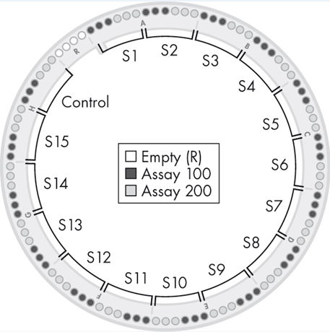
4 | 30.21 | 29.97 | 0.206 |  | S4: | Paired Breast Tumor | 13.0
5 | 29.86 |  |  |  | S5: | Paired Normal Breast | 9.0
6 | 29.85 |  |  |  | S6: | Melanoma 2 | 31.0
7 | 19.32 | 19.32 | 0.013 |  | S7: | NTS (all-prep) | 22.0
8 | 19.33 |  |  |  | S8: | N30 (all-prep) | 52.0
9 | 19.31 |  |  |  | S9: | PLT | 14.0
10 | 22.25 | 22.25 | 0.006 |  | S10: | PLN | 5.0
11 | 22.24 |  |  |  | S11: | FFPE Melanoma | 11.0
12 | 22.25 |  |  |  | S12: | FFPE Colon | 50.0
13 | 18.20 | 18.19 | 0.030 |  | S13: | N19 | 14.0
14 | 18.16 |  |  |  | S14: | N10 | 20.0
15 | 18.21 |  |  |  | S15: | NA12878 | 20.0
16 | 20.56 | 20.59 | 0.032 |  | Control: | Control | Control
17 | 20.58
18 | 20.62
19 | 25.91 | 25.85 | 0.059
20 | 25.79
21 | 25.85
22 |  | 31.49 | 0.168
23 | 31.60
24 | 31.37
25 | 24.84 | 24.88 | 0.041
26 | 24.92
27 | 24.89
28 | 29.80 | 29.75 | 0.281
29 | 29.44
30 | 30.00
31 | 18.06 | 18.05 | 0.036
32 | 18.08
33 | 18.01
34 | 20.37 | 20.38 | 0.032
35 | 20.42
36 | 20.36
37 | 17.84 | 17.78 | 0.055
38 | 17.74
39 | 17.76
40 | 19.57 | 19.56 | 0.015
41 | 19.56
42 | 19.54
43 | 16.37 | 16.35 | 0.019
44 | 16.34
45 | 16.33
46 | 17.66 | 17.64 | 0.015
47 | 17.63
48 | 17.64
49 | 19.64 | 19.64 | 0.014
50 | 19.63
51 | 19.66
52 | 22.58 | 22.57 | 0.006
53 | 22.56
54 | 22.57
55 | 21.10 | 21.03 | 0.057
56 | 20.99
57 | 21.00
58 | 23.98 | 24.00 | 0.075
59 | 23.94
60 | 24.09
61 | 21.30 | 21.28 | 0.027
62 | 21.28
63 | 21.25
64 | 25.15 | 25.22 | 0.069
65 | 25.29
66 | 25.23
67 | 17.58 | 17.54 | 0.039
68 | 17.53
69 | 17.51
70 | 20.00 | 20.09 | 0.071
71 | 20.13
72 | 20.12
73 | 18.89 | 18.86 | 0.043
74 | 18.87
75 | 18.81
76 | 21.34 | 21.35 | 0.026
77 | 21.38
78 | 21.34
79 | 18.86 | 18.85 | 0.017
80 | 18.83
81 | 18.84
82 | 21.26 | 21.29 | 0.030
83 | 21.30
84 | 21.32
85 | 16.68 | 16.67 | 0.013
86 | 16.67
87 | 16.66
88 | 17.14 | 17.14 | 0.019
89 | 17.13
90 | 17.16
91 | 18.63 | 18.60 | 0.020
92 | 18.59
93 | 18.59
94 | 19.17 | 19.20 | 0.025
95 | 19.20
96 | 19.22

